Broken
Graphical

$$Z=40x+50y$$

$$x+y≤100$$
 |  | x | y=100-x | y=(250-2x)/3 | y=(350-3x)/4
 |  | 0 | 100 | 83.333333333 | 87.5
 |  | 10 | 90 | 76.666666667 | 80
 |  | 20 | 80 | 70 | 72.5
$$2x+3y≤250$$
 |  | 30 | 70 | 63.333333333 | 65
 |  | 40 | 60 | 56.666666667 | 57.5
 |  | 50 | 50 | 50 | 50
$$3x+4y≤350$$
 |  | 60 | 40 | 43.333333333 | 42.5
 |  | 70 | 30 | 36.666666667 | 35
 |  | 80 | 20 | 30 | 27.5
 |  | 90 | 10 | 23.333333333 | 20
 |  | 100 | 0 | 16.666666667 | 12.5

40 | 50 |  | 4500
50 | 50
1 | 1 | 100 | <= | 100
2 | 3 | 250 | <= | 250
3 | 4 | 350 | <= | 350

B&B
$$Z=20x+30y+15w$$
Original Problem
Z=387.5
x=17.5
y=1.25
z=0
x | y | w |  | Z
20 | 30 | 15 |  | 375
18 | 0.5 | 0
$$3x+2y+5w≤55$$
$$2x+4y+w≤40$$
3 | 2 | 5 | 55 | <= | 55
2 | 4 | 1 | 38 | <= | 40
1 | 3 | 2 | 19.5 | <= | 30
$$x≤17$$
$$x≥18$$
$$x+3y+2w≤30$$
Sub-Problem 1 Z=386.67
x=17
y=1.44
z=0.22
Sub-Problem 2
Z=375
x=18
y=0.5
z=0
1 | 0 | 0 | 18 | >= | 18
0 | 1 | 0 | 0.5 | >= | 2
1 | 0 | 0 | 18 | <= | 15
0 | 1 | 0 | 0.5 | >= | 3

$$y≤1$$
$$y≥2$$

Sub-Problem 3 Z=376
x=17
y=1
z=0.4
Sub-Problem 4 Z=384.29
x=15.57
y=2
z=0.86

$$x≤15$$
$$x≥16$$

Sub-Problem 5 Z=383.33
x=15
y=2.22
z=1.11
Sub-Problem 6
Z=380
x=16
y=2
z=0
Feasible: eliminate SP2, SP3

$$y≤2$$
$$y≥3$$

Sub-Problem 7 Z=378
x=15
y=2
z=1.2
Sub-Problem 8 Z=380
x=13
y=3
z=2
OPTIMAL, so is SP6

Point
$$Z=5x+2y$$

Graphical
$$2x+3y≤17$$
 |  |  |  |  | Z
 |  |  |  |  | 24
5.6666666667 |  | x | y=(17-2x)/3 | y=(45-10x)/3 | y=(Z-5x)/2
 |  | 0 | 5.67 | 15.00 | 12.00
 |  | 1 | 5.00 | 11.67 | 9.50
$$10x+3y≤45$$
 |  | 2 | 4.33 | 8.33 | 7.00
15 |  | 3 | 3.67 | 5.00 | 4.50
 |  | 4 | 3.00 | 1.67 | 2.00
 |  | 5 | 2.33 | -1.67 | -0.50
 |  | 6 | 1.67 | -5.00 | -3.00

x | y | Z
1 | 5 | 15
2 | 4 | 18
3 | 3 | 21
4 | 1 | 22

Graph B&B
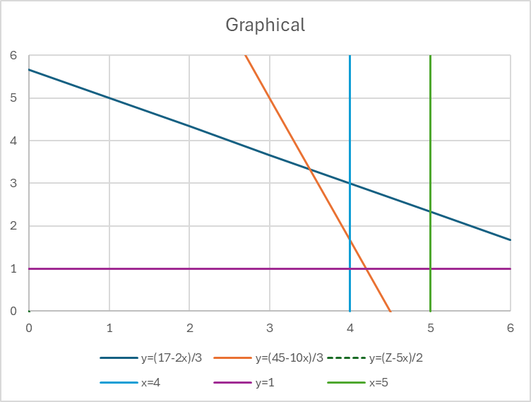
$$Z=5x+2y$$

Graphical
$$2x+3y≤17$$
 |  |  |  |  |  | Z
 |  |  |  |  |  | 0
 | 5.6666666667 |  | x | y=(17-2x)/3 | y=(45-10x)/3 | y=(Z-5x)/2 | x=4 | y
 |  |  | 0 | 5.67 | 15.00 | 0.00 | 4 | 0
 |  |  | 1 | 5.00 | 11.67 | -2.50 | 4 | 6
$$10x+3y≤45$$
 |  |  | 2 | 4.33 | 8.33 | -5.00
 | 15 |  | 3 | 3.67 | 5.00 | -7.50 | x | y=1
 |  |  | 4 | 3.00 | 1.67 | -10.00 | 0 | 1
 |  |  | 5 | 2.33 | -1.67 | -12.50 | 6 | 1
 |  |  | 6 | 1.67 | -5.00 | -15.00
 |  |  |  |  |  |  | x=4 | y
 |  |  |  |  |  |  | 4 | 0
 |  |  |  |  |  |  | 4 | 6
5 | 2 |  | Z
2.5 | 4 |  | 20.5
2 | 3 | 17 | <= | 17
10 | 3 | 37 | <= | 45

Orig Problem
Z=24.17
x=3.5
y=3.3
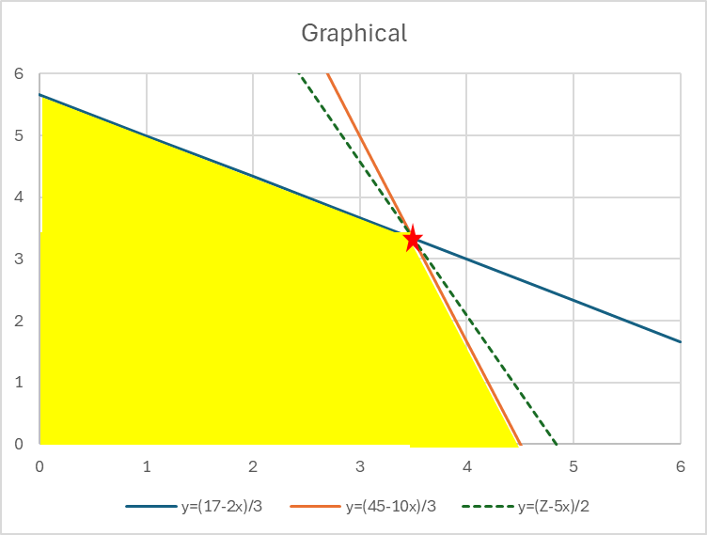
1 | 0 | 2.5 | >= | 4
0 | 1 | 4 | <= | 1
1 | 0 | 2.5 | <= | 4

$$x≤3$$
$$x≥4$$

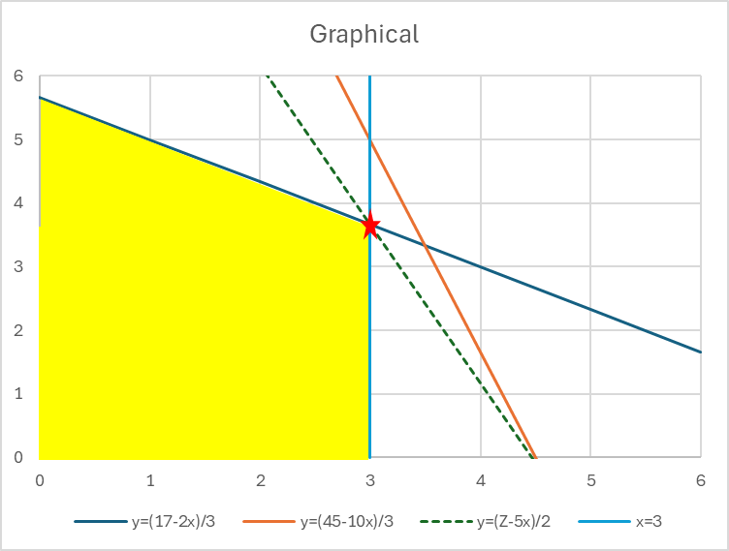
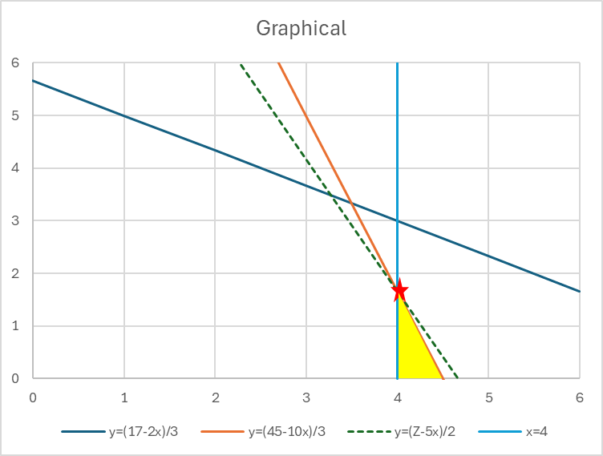
Sub Problem 1
Z=22.3
x=3
y=3.67
UB = 21
Sub Problem 2
Z=23.3
x=4
y=1.67

$$y≤1$$
$$y≥2$$

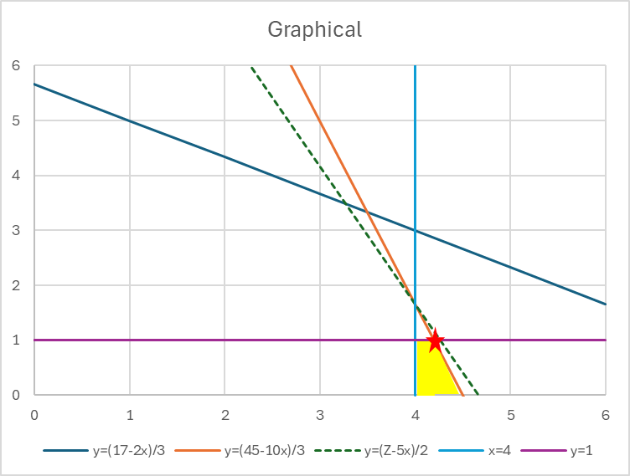
Sub Problem 3
Z=23
x=4.2
y=1
UB = 22
Sub Problem 4
Infeasible
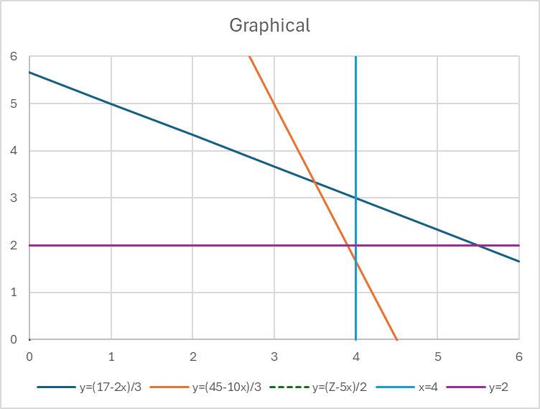

Feasible solutions may exist but not optimal ones.

$$x≤4$$
$$x≥5$$

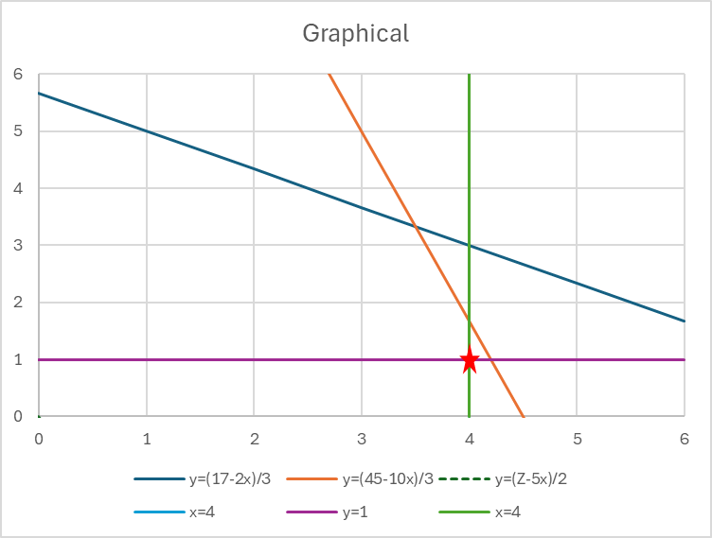
Sub Problem 5
Z=22
x=4
y=1
OPTIMAL
Sub Problem 6
Infeasible

Exercise 2
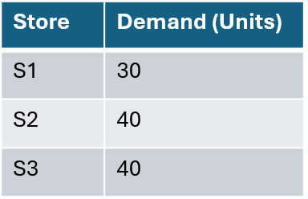
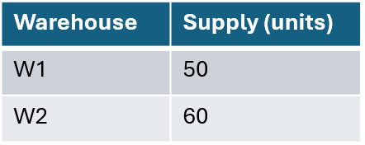

 | S1 | S2 | S3
W1 | 30 | 0 | 20 | 50 | <= | 50
W2 | 0 | 40 | 20 | 60 | <= | 60
 | 30 | 40 | 40
 | >= | >= | >=
 | 30 | 40 | 40

 | S1 | S2 | S3
W1 | 4 | 6 | 9
W2 | 5 | 4 | 7
Total Cost | 600

